USAGE
 |  | USAGE
DYNAMIC SIMULATION TOOL

1)
This Excel workbook is used as GUI, through which, the user, can easyly insert and change the parameters value for the dynamic simulation of the vehicle. The woorkbook is connected with the "file.py" in wich the mathematical model is defined. The inserted values will be elaborated through Python scripts and the forces on significant points of the vehicle (i.e., pivots and oscillate attach points) will be given as output of the program.
USAGE

 | RUN SIMULATION

RESULTS
2)
Each sheet of this woorkbook represents a "BODY" that is used in the mathematical model.
For each body are required few different parameters and the user need to provide all of them, otherwise the dynamic simulation can't be performed.

DASHBOARD

THEORY REFERENCE

3)
The provided menu (on the left) has to be used to navigate through the various sheets.

DASHBOARD
 |  | DASHBOARD (Input data summary)
DYNAMIC SIMULATION TOOL
 |  |  |  | SI |  | IMPERIAL |  |  |  |  |  | SI |  | IMPERIAL
CoG LOCATION xy PLANE
Y AXIS
X AXIS
 |  | GENERIC | wb | 2.48 | [m] | 97.48 | [in] | [N] | [N] | SWING CHASSIS | m | 3061.00 | [kg] | 6748.35 | [lb]
USAGE |  |  | wt | 2.13 | [m] | 83.82 | [in] |  |  |  | Ixx | 849.37 | [kg∙m2] | 2902443.30 | [lb∙in2]
 |  |  | Xgtot | 0.29 | [m] | 11.43 | [in] | 19837.67 | 19837.67 |  | Iyy | 4566.31 | [kg∙m2] | 15603866.23 | [lb∙in2]
 | RUN SIMULATION |  | Ygtot | 0.00 | [m] | 0.00 | [in] |  |  |  | Izz | 4830.13 | [kg∙m2] | 16505384.52 | [lb∙in2]
 |  |  | Zgtot | 0.68 | [m] | 26.71 | [in] |  |  |  | x | 1.30 | [m] | 50.98 | [in]
 |  |  | Mtot | 6485.45 | [kg] | 14297.97 | [lb] | RFL= | RFR= |  | y | 0.00 | [m] | 0.00 | [in]
RESULTS |  |  | RFR | 19837.67 | [N] | 4459.51 | [lbf] |  |  |  | z | 0.90 | [m] | 35.35 | [in]
 |  |  | RFL | 19837.67 | [N] | 4459.51 | [lbf]
DASHBOARD |  |  | RRR | 11973.46 | [N] | 2691.63 | [lbf] |  |  | BOOM | m | 1105.00 | [kg] | 2436.11 | [lb]
Generic Parameters |  |  | RRL | 11973.46 | [N] | 2691.63 | [lbf] | [N] | [N] |  | Ixx | 143.20 | [kg∙m2] | 489339.02 | [lb∙in2]
Drive Chassis |  |  | gap | 3.00 | [deg] | 3.00 | [deg] |  |  |  | Iyy | 11943.60 | [kg∙m2] | 40813334.34 | [lb∙in2]
Front Axle |  |  |  |  |  |  |  | 11973.46 | 11973.46 |  | Izz | 11951.80 | [kg∙m2] | 40841355.15 | [lb∙in2]
Rear Axle |  | DRIVE CHASSIS | m | 783.50 | [kg] | 1727.32 | [lb] |  |  |  | x | -1.99 | [m] | -78.15 | [in]
Swing Chassis |  |  | Ixx | 136.82 | [kg∙m2] | 467537.46 | [lb∙in2] |  |  |  | y | 0.00 | [m] | 0.00 | [in]
Boom |  |  | Iyy | 655.30 | [kg∙m2] | 2239272.75 | [lb∙in2] | RRL= | RRR= |  | z | 0.90 | [m] | 64.25 | [in]
Wheels |  |  | Izz | 650.40 | [kg∙m2] | 2222528.61 | [lb∙in2]
Oscillate HC |  |  | x | 0.01 | [m] | 0.55 | [in] |  |  | WHEELS | Ktire | 2200000.00 | [N/m] | 12562.33 | [lbf/in]
Input (Base Motion) |  |  | y | 0.00 | [m] | 0.00 | [in] |  |  |  | Ctire | 50000.00 | [N∙s/m] | 285.51 | [lbf∙s/in]
 |  |  | z | 0.12 | [m] | 4.88 | [in]
THEORY REFERENCE |  |  |  |  |  |  |  |  |  | OSCILLATE HC | β | 1500.00 | [MPa] | 217557.00 | [psi]
 |  | FRONT AXLE | m | 809.04 | [kg] | 1783.63 | [lb] |  |  |  | ODroad | 50.01 | [mm] | 1.97 | [in]
 |  |  | Ixx | 650.32 | [kg∙m2] | 2222255.23 | [lb∙in2] |  |  |  | IDbarr | 100.05 | [mm] | 3.94 | [in]
 |  |  | Iyy | 55.35 | [kg∙m2] | 189140.46 | [lb∙in2] |  |  |  | Lclosed | 406.50 | [mm] | 16.00 | [in]
 |  |  | Izz | 653.58 | [kg∙m2] | 2233395.21 | [lb∙in2] |  |  |  | Stroke | 88.90 | [mm] | 3.50 | [in]

 |  |  | x | 1.24 | [m] | 48.74 | [in] |  |  |  | l1 | 469.90 | [mm] | 18.50 | [in]
 |  |  | y | 0.00 | [m] | 0.00 | [in] |  |  |  | l2 | 228.60 | [mm] | 9.00 | [in]
 |  |  | z | -0.16 | [m] | -6.38 | [in] |  |  |  | l3 | 221.23 | [mm] | 8.71 | [in]
 |  |  |  |  |  |  |  |  |  |  | l4 | 495.30 | [mm] | 19.50 | [in]
 |  | REAR AXLE | m | 726.91 | [kg] | 1602.56 | [lb] |  |  |  | ξ | 0.00 |  | 0.00
 |  |  | Ixx | 617.81 | [kg∙m2] | 2111162.97 | [lb∙in2]
 |  |  | Iyy | 55.39 | [kg∙m2] | 189277.15 | [lb∙in2]
 |  |  | Izz | 619.66 | [kg∙m2] | 2117484.74 | [lb∙in2]
 |  |  | x | -1.24 | [m] | -48.74 | [in]
 |  |  | y | 0.00 | [m] | 0.00 | [in]
 |  |  | z | -0.16 | [m] | -6.38 | [in]

GENERIC
 |  | GENERIC PARAMETERS
DYNAMIC SIMULATION TOOL
 |  | GENERIC INPUT PARAMETERS
 |  |  | SI |  | IMPERIAL
USAGE |  | wb | 2.48 | [m] | 97.48 | [in] | Machine wheelbase

 | RUN SIMULATION | wt | 2.13 | [m] | 83.82 | [in] | Machine wheeltrack

 |  | gap | 3.00 | [deg] | 3.00 | [deg] | Gap between drive chassis and rear axle
RESULTS
 |  | K13xx | 0.00 | [Nm/rad] | 0.00 | [lbf∙in/rad] | Stiffness value of the rear contact between drive chassis and rear axle (default = 0.0)
INSERT HERE THE INPUT DATA
DASHBOARD
Generic Parameters
Drive Chassis
Front Axle |  | GENERIC DERIVED PARAMETERS
Rear Axle |  |  | SI |  | IMPERIAL
Swing Chassis |  | Xg | 0.29 | [m] | 11.43 | [in] | X coordinate of the global CoG
Boom
Wheels |  | Yg | 0.00 | [m] | 0.00 | [in] | Y coordinate of the global CoG
Oscillate HC
Input (Base Motion) |  | Zg | 0.68 | [m] | 26.71 | [deg] | Z coordinate of the global CoG

THEORY REFERENCE |  | Mtot | 6485.45 | [kg] | 14297.97 | [lb] | Machine total mass

 |  | RFR | 19837.67 | [N] | 4459.51 | [lbf] | Front right reaction force on wheel (static value)

 |  | RFL | 19837.67 | [N] | 4459.51 | [lbf] | Front left reaction force on wheel (static value)

 |  | RRR | 11973.46 | [N] | 2691.63 | [lbf] | Rear right reaction force on wheel (static value)

 |  | RRL | 11973.46 | [N] | 2691.63 | [lbf] | Rear right reaction force on wheel (static value)

BODY 1
To Drive Chassi Reference Scheme
Back To Data Input
 |  | DRIVE CHASSIS
DYNAMIC SIMULATION TOOL
 |  | DRIVE CHASSIS INPUT PARAMETERS
 |  |  | SI |  | IMPERIAL
USAGE |  | m | 783.50 | [kg] | 1727.32 | [lb] | Mass value of the drive chassis

 | RUN SIMULATION | Ixx | 136.82 | [kg∙m2] | 467537.46 | [lb∙in2] | Barycentric moment of inertia along the X axis (see below image)

 |  | Iyy | 655.30 | [kg∙m2] | 2239272.75 | [lb∙in2] | Barycentric moment of inertia along the Y axis (see below image)
RESULTS
 |  | Izz | 650.40 | [kg∙m2] | 2222528.61 | [lb∙in2] | Barycentric moment of inertia along the Z axis (see below image)
DASHBOARD
Generic Parameters |  | x | 0.01 | [m] | 0.55 | [in] | X distance between the O' point and the CoG of the drive chassis (see reference scheme)
Drive Chassis
Front Axle |  | y | 0.00 | [m] | 0.00 | [in] | Y distance between the O' point and the CoG of the drive chassis (see reference scheme)
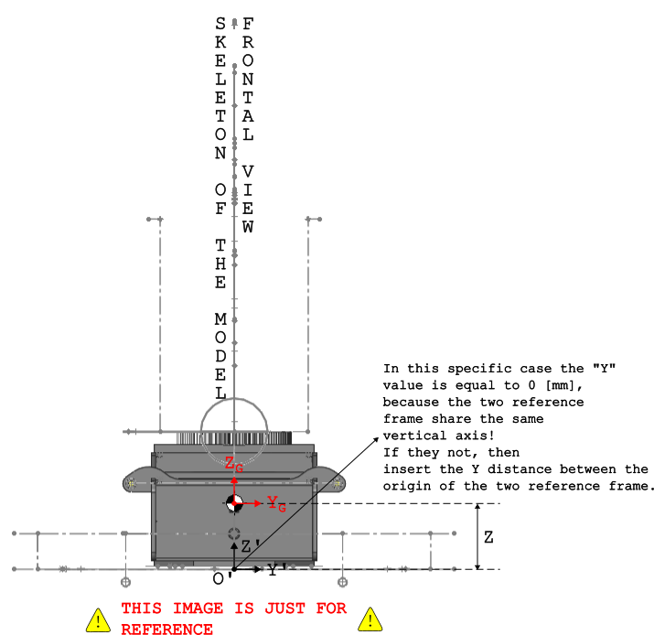
Rear Axle
Swing Chassis |  | z | 0.12 | [m] | 4.88 | [in] | Z distance between the O' point and the CoG of the drive chassis (see reference scheme)
INSERT HERE THE INPUT DATA
Boom
Wheels
Oscillate HC
Input (Base Motion)

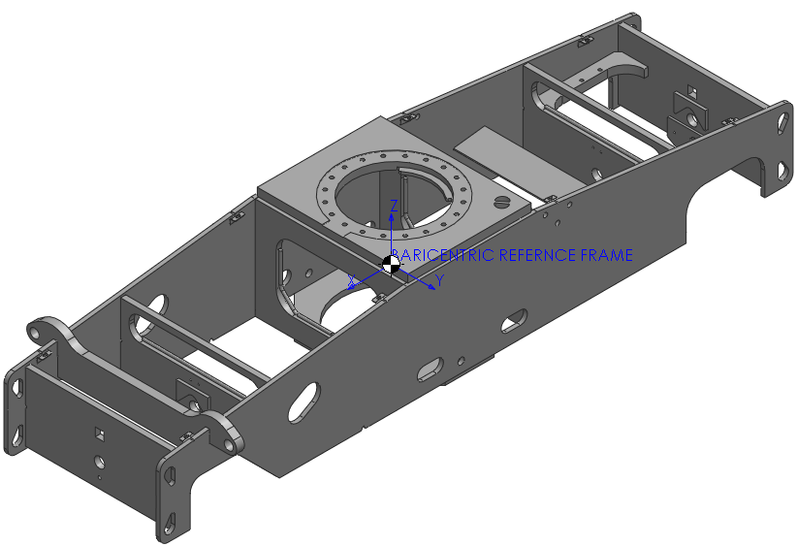
THEORY REFERENCE

BODY 2
To Front Axle Reference Scheme
Back To Data Input
 |  | FRONT AXLE
DYNAMIC SIMULATION TOOL
 |  | FRONT AXLE INPUT PARAMETERS
 |  |  | SI |  | IMPERIAL
USAGE |  | m | 809.04 | [kg] | 1783.63 | [lb] | Mass value of the front axle

 | RUN SIMULATION | Ixx | 650.32 | [kg∙m2] | 2222255.23 | [lb∙in2] | Barycentric moment of inertia along the X axis (see below image)

 |  | Iyy | 55.35 | [kg∙m2] | 189140.46 | [lb∙in2] | Barycentric moment of inertia along the Y axis (see below image)
RESULTS
 |  | Izz | 653.58 | [kg∙m2] | 2233395.21 | [lb∙in2] | Barycentric moment of inertia along the Z axis (see below image)
DASHBOARD
Generic Parameters |  | x | 1.24 | [m] | 48.74 | [in] | X distance between the O' point and the CoG of the front axle (see reference scheme)
Drive Chassis
Front Axle |  | y | 0.00 | [m] | 0.00 | [in] | Y distance between the O' point and the CoG of the front axle (see reference scheme)
Rear Axle
Swing Chassis |  | z | -0.16 | [m] | -6.38 | [in] | Z distance between the O' point and the CoG of the front axle (see reference scheme)
INSERT HERE THE INPUT DATA
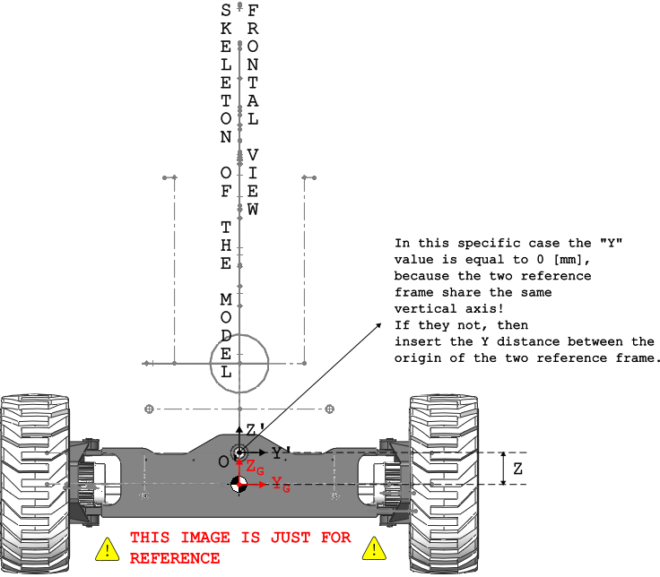
Boom
Wheels
Oscillate HC
Input (Base Motion)

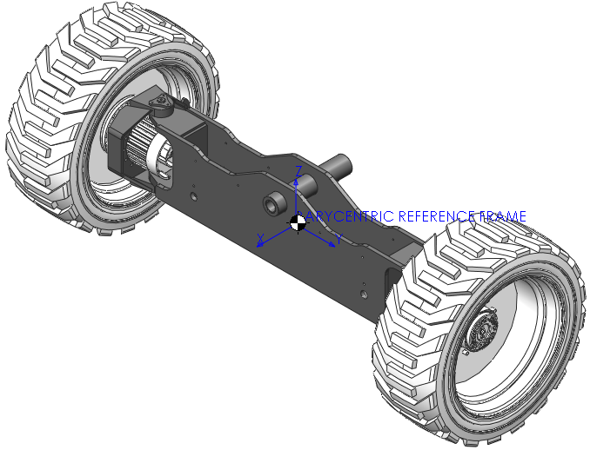
THEORY REFERENCE

BODY 3
To Rear Axle Reference Scheme
Back To Data Input
 |  | REAR AXLE
DYNAMIC SIMULATION TOOL
 |  | REAR AXLE INPUT PARAMETERS
 |  |  | SI |  | IMPERIAL
USAGE |  | m | 726.91 | [kg] | 1602.56 | [lb] | Mass value of the rear axle

 | RUN SIMULATION | Ixx | 617.81 | [kg∙m2] | 2111162.97 | [lb∙in2] | Barycentric moment of inertia along the X axis (see below image)

 |  | Iyy | 55.39 | [kg∙m2] | 189277.15 | [lb∙in2] | Barycentric moment of inertia along the Y axis (see below image)
RESULTS
 |  | Izz | 619.66 | [kg∙m2] | 2117484.74 | [lb∙in2] | Barycentric moment of inertia along the Z axis (see below image)
DASHBOARD
Generic Parameters |  | x | -1.24 | [m] | -48.74 | [in] | X distance between the O' point and the CoG of the rear axle (see reference scheme)
Drive Chassis
Front Axle |  | y | 0.00 | [m] | 0.00 | [in] | Y distance between the O' point and the CoG of the rear axle (see reference scheme)
Rear Axle
Swing Chassis |  | z | -0.16 | [m] | -6.38 | [in] | Z distance between the O' point and the CoG of the rear axle (see reference scheme)
INSERT HERE THE INPUT DATA
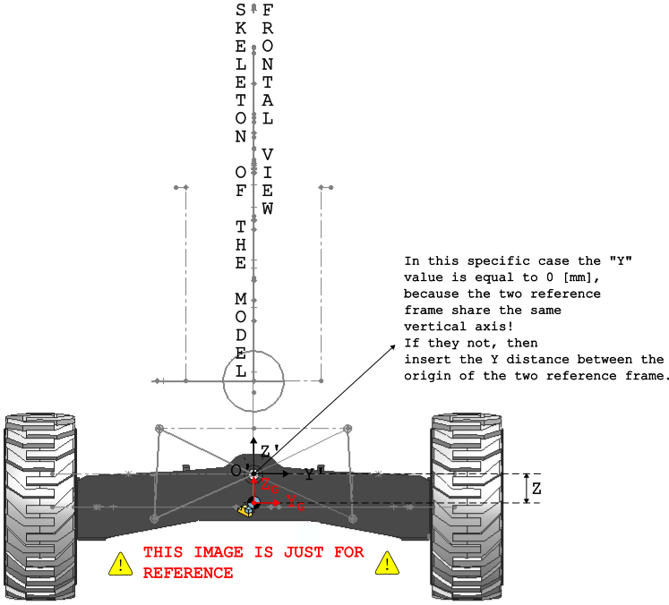
Boom
Wheels
Oscillate HC
Input (Base Motion)

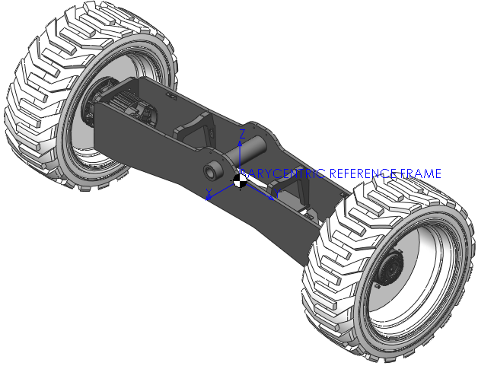
THEORY REFERENCE

BODY 4
To Swing Chassis Reference Scheme
Back To Data Input
 |  | SWING CHASSIS
DYNAMIC SIMULATION TOOL
 |  | SWING CHASSIS INPUT PARAMETERS
 |  |  | SI |  | IMPERIAL
USAGE |  | m | 3061.00 | [kg] | 6748.35 | [lb] | Mass value of the swing chassis

 | RUN SIMULATION | Ixx | 849.37 | [kg∙m2] | 2902443.30 | [lb∙in2] | Barycentric moment of inertia along the X axis (see below image)

 |  | Iyy | 4566.31 | [kg∙m2] | 15603866.23 | [lb∙in2] | Barycentric moment of inertia along the Y axis (see below image)
RESULTS
 |  | Izz | 4830.13 | [kg∙m2] | 16505384.52 | [lb∙in2] | Barycentric moment of inertia along the Z axis (see below image)
DASHBOARD
Generic Parameters |  | x | 1.30 | [m] | 50.98 | [in] | X distance between the O' point and the CoG of the swing chassis (see reference frame)
Drive Chassis
Front Axle |  | y | 0.00 | [m] | 0.00 | [in] | Y distance between the O' point and the CoG of the swing chassis (see reference frame)
Rear Axle
Swing Chassis |  | z | 0.90 | [m] | 35.35 | [in] | Z distance between the O' point and the CoG of the swing chassis (see refernce frame)
INSERT HERE THE INPUT DATA
Boom
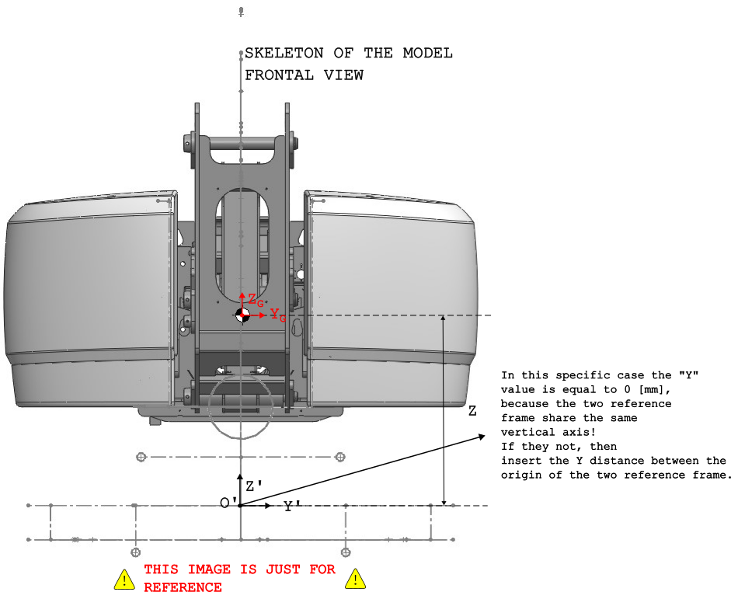
Wheels
Oscillate HC
Input (Base Motion)

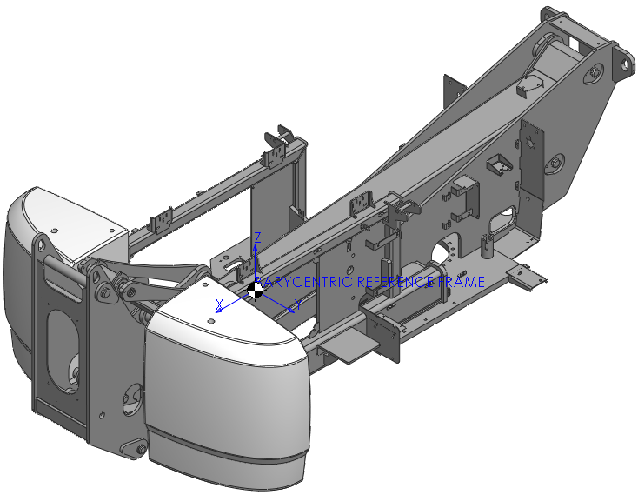
THEORY REFERENCE

BODY 5
To Boom Reference Scheme
Back To Data Input
 |  | BOOM
DYNAMIC SIMULATION TOOL
 |  | BOOM INPUT PARAMETERS
 |  |  | SI |  | IMPERIAL
USAGE |  | m | 1105.00 | [kg] | 2436.11 | [lb] | Mass value of the boom

 | RUN SIMULATION | Ixx | 143.20 | [kg∙m2] | 489339.02 | [lb∙in2] | Barycentric moment of inertia along the X axis (see below image)

 |  | Iyy | 11943.60 | [kg∙m2] | 40813334.34 | [lb∙in2] | Barycentric moment of inertia along the Y axis (see below image)
RESULTS
 |  | Izz | 11951.80 | [kg∙m2] | 40841355.15 | [lb∙in2] | Barycentric moment of inertia along the Z axis (see below image)
DASHBOARD
Generic Parameters |  | x | -1.99 | [m] | -78.15 | [in] | X distance between the O' point and the CoG of the boom (see reference scheme)
Drive Chassis
Front Axle |  | y | 0.00 | [m] | 0.00 | [in] | Y distance between the O' point and the CoG of the boom (see reference scheme)
Rear Axle
Swing Chassis |  | z | 1.63 | [m] | 64.25 | [in] | Z distance between the O' point and the CoG of the boom (see reference scheme)
INSERT HERE THE INPUT DATA
Boom
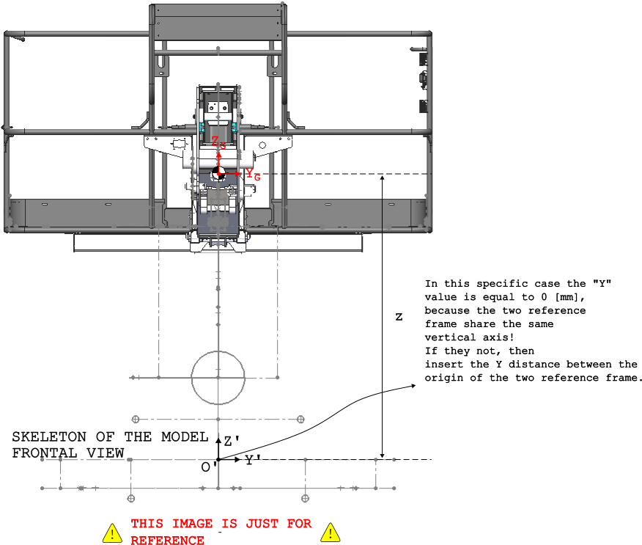
Wheels
Oscillate HC
Input (Base Motion)

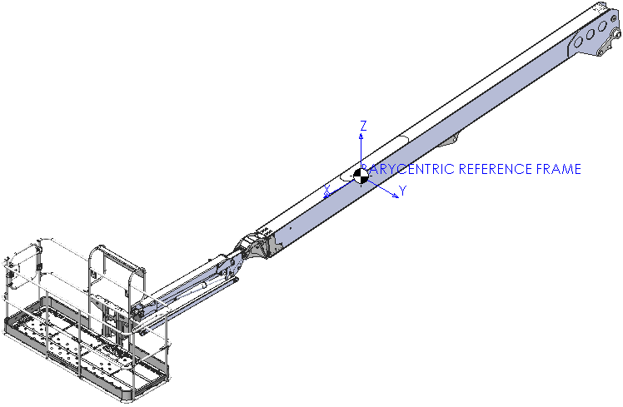
THEORY REFERENCE

WHEELS
 |  | WHEELS
DYNAMIC SIMULATION TOOL
 |  | WHEELS PARAMETERS
 |  |  | SI |  | IMPERIAL
USAGE |  | Ktire | 2.20E+06 | [N/m] | 12562.33 | [lbf/in] | Equivalent tire stiffness

 | RUN SIMULATION | Ctire | 5.00E+04 | [N∙s/m] | 285.51 | [lbf∙s/in] | Equivalent tire damping

 |  | Rwheel | 0.469 | [m] | 18.46 | [in] | Wheel radius
RESULTS
 |  | Hhub | 0.162 | [m] | 6.38 | [in] | Distance between pivot axis and hub center point
INSERT HERE THE INPUT DATA
DASHBOARD
Generic Parameters
Drive Chassis
Front Axle
Rear Axle
Swing Chassis
Boom
Wheels
Oscillate HC
Input (Base Motion)

THEORY REFERENCE

OSCILLATE HC
To Oscillate Reference Scheme
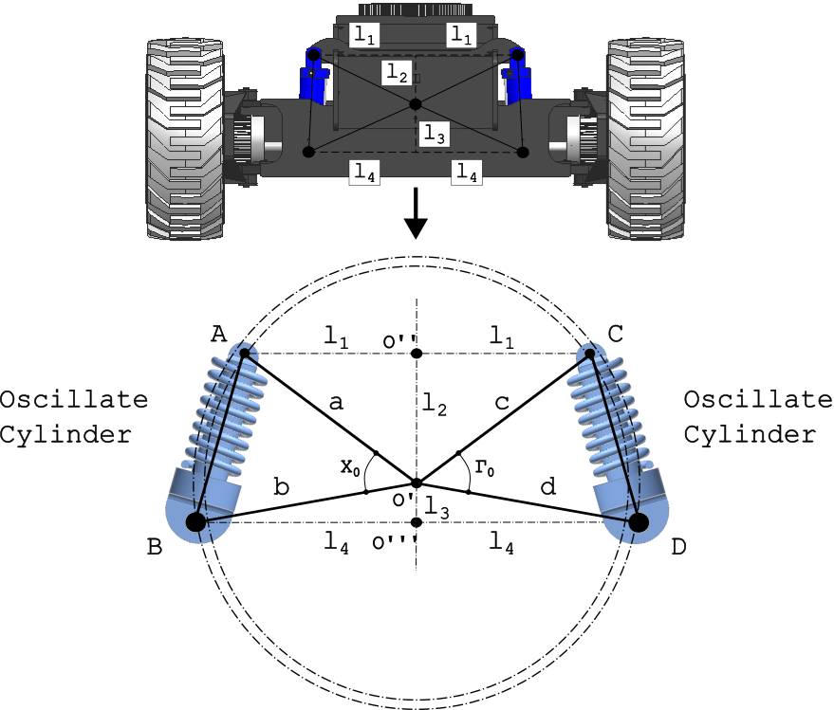
Back To Data Input
 |  | OSCILLATE HYDRAULIC CYLINDERS
DYNAMIC SIMULATION TOOL
 |  | OSCILLATE HC INPUT PARAMETERS
 |  |  | SI |  | IMPERIAL
USAGE |  | β | 1500.00 | [MPa] | 217557.00 | [psi] | Oil bulk modulus

 | RUN SIMULATION | ODrod | 50.01 | [mm] | 1.97 | [in] | External road diameter

 |  | IDbarr | 100.05 | [mm] | 3.94 | [in] | Internal barrel diameter
RESULTS
 |  | Lclosed | 406.50 | [mm] | 16.00 | [in] | Retracted length of the oscillate cylinder
DASHBOARD
Generic Parameters |  | S | 88.90 | [mm] | 3.50 | [in] | Stroke of the oscillate cylinder
Drive Chassis
Front Axle |  | l1 | 469.90 | [mm] | 18.50 | [in] | Y distance between A (or C) and O'' (see reference scheme)
Rear Axle
Swing Chassis |  | l2 | 228.60 | [mm] | 9.00 | [in] | Z distance between O' and O'' (see reference scheme)
Boom
Wheels |  | l3 | 221.23 | [mm] | 8.71 | [in] | Z distance between O' and O''' (see reference scheme)
Oscillate HC
Input (Base Motion) |  | l4 | 495.30 | [mm] | 19.50 | [in] | Y distance between B (or D) and O''' (see reference scheme)

THEORY REFERENCE |  | ξ | 0.00 | - | 0.00 | - | Torsional damping factor (leave as default 1.15)
INSERT HERE THE INPUT DATA

 |  | OSCILLATE HC DERIVED PARAMETERS

 |  | a | 522.56 | [mm] | 20.57 | [in] | AO' distance

 |  | b | 542.46 | [mm] | 21.36 | [in] | BO' distance

 |  | c | 522.56 | [mm] | 20.57 | [in] | CO' distance

 |  | d | 542.46 | [mm] | 21.36 | [in] | DO' distance

 |  | Arod | 1964.49 | [mm2] | 3.04 | [in2] | Rod section

 |  | Abarrel | 7861.99 | [mm2] | 12.19 | [in2] | Barrel section

 |  | Aannulus | 5897.51 | [mm2] | 9.14 | [in2] | Annulus section

 |  | Linitial | 450.55 | [mm] | 17.74 | [in] | Initial oscillate length

 |  | Sinitial | 44.04 | [mm] | 1.73 | [in] | Initial oscillate stroke

 |  | V10 | 6925.62 | [mm3] | 0.42 | [in3] | Remaining oil volume, piston side

 |  | V20 | 5290.66 | [mm3] | 0.32 | [in3] | Remaining oil volume, rod side

 |  | Kt | 1.93E+08 | [N/m] | 1104068.11 | [lbf/in] | Tensile stiffness for the oscillate cylinder

 |  | Kc | 2.62E+08 | [N/m] | 1498909.06 | [lbf/in] | Compression stiffsness for the oscillate cylinder

 |  | χ0 | 0.70 | [rad] | 0.70 | [rad] | Angle between the two segments: a and b

 |  | Ktors | 1.14E+08 | [N∙m/rad] | 1006912538.40 | [lbf∙in/rad] | Equivalent torsional stiffness

 |  | Ctors | 0.00E+00 | [N∙m∙s/rad] | 0.00 | [lbf∙in∙s/rad] | Equivalent torsional damping

BASE MOTION
FIX THE MACRO BEHIND THE BUTTON
To Input Data
Back To Input Choise
Back To Input Choise
 |  | BASE MOTION SELECTION |  |  |  |  |  | CURBS PARAMETERS SETUP |  |  |  |  |  | POTHOLES PARAMETERS SETUP |  |  |  |  | ROUGH TERRAIN PARAMETERS SETUP
DYNAMIC SIMULATION TOOL
 |  | INPUT TYPE USED IN THE DYNAMIC SIMULATION |  |  |  |  |  | INPUT PARAMETERS SETUP |  |  |  |  |  | INPUT PARAMETERS SETUP
 |  |  |  |  |  |  |  |  | SI |  | IMPERIAL |  |  |  | SI |  | IMPERIAL
USAGE |  | dt |  | 0.001 | [s] |  | Simulation time step (leave 0.001) | H | 0.127 | [m] | 5.00 | [in] | Single curb profile height | h | 0.127 | [m] | 5.00 | [in]

 | RUN SIMULATION | Speed value |  | 0.36 | [m/s] |  | Speed value during the simulation | bmajor | 0.254 | [m] | 10.00 | [in] | Single curb major base dimension | b1 | 0.254 | [m] | 10.00 | [in]

 |  | Input choise |  |  |  | TRUE | Check/Uncheck the box to add the track at the dynamic simulation | bminor | 0.127 | [m] | 5.00 | [in] | Single curb minor base dimension | b2 | 0.127 | [m] | 5.00 | [in]
RESULTS
 |  |  |  |  |  | TRUE | Check/Uncheck the box to add the track at the dynamic simulation | pitch | 1.85 | [m] | 72.83 | [in] | Distance between two consecutive curbs | pitch | 1.85 | [m] | 72.83 | [in]
DASHBOARD
Generic Parameters |  |  |  |  |  | FALSE | Check/Uncheck the box to add the track at the dynamic simulation | offset | 0.671 | [m] | 26.42 | [in] | Initial offset between rows of curbs | offset | 0.852 | [m] | 26.42 | [in]
Drive Chassis
Front Axle |  |  |  |  |  | FALSE | Check/Uncheck the box to add all the preavious track at the input | α | 45 | [deg] | 45.00 | [deg] | Curbs rise angle | n° | 6 | - | 5.00 | -
CHOOSE INPUT TYPE HERE
Rear Axle
Swing Chassis |  |  |  |  |  |  |  | nright | 6 | - | 5.00 | - | Number of right curbs raw
Note:
After selecting the input, utilize the 'To Input Data' button to access numerical value adjustments. Otherwise, the default values below will be used.
Boom
Wheels |  |  |  |  |  |  |  | nleft | 5 | - | 5.00 | - | Number of left curbs raw
Oscillate HC
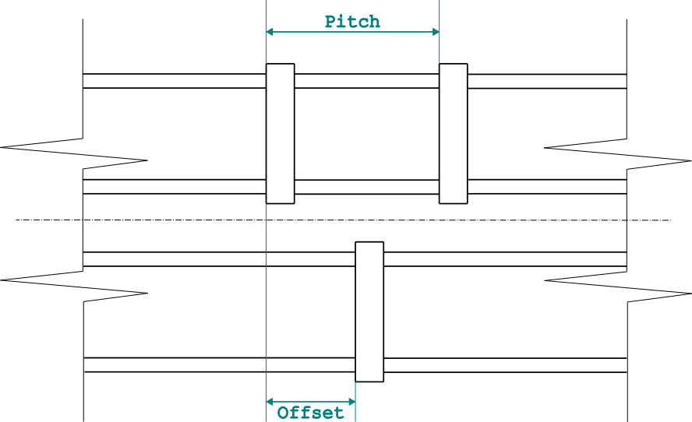
Input (Base Motion)
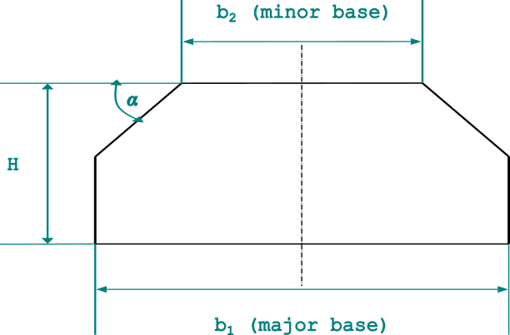
THEORY REFERENCE |  | DEFAULT PARAMETERS
 |  | CURBS PARAMETERS |  |  | POTHOLES PARAMETERS
 |  | h | 0.127 | [m]
 |  | bmajor | 0.254 | [m]
 |  | bminor | 0.127 | [m]
 |  | pitch | 1.85 | [m]
 |  | offset | 0.671 | [m]
 |  | α | 45 | [deg]
 |  | nright | 6 | -
 |  | nleft | 5 | -

SERVICE
THIS SHEET IS RESERVED ONLY TO THE AUTHORS.
FOR ANY ISSUE PLEASE CONTACT:
GIACOMO CANGI - Giacomo.Cangi@terex.com
ALESSANDRO ANGELETTI - Alessandro.Angeletti@terex.com

CONVERSION FACTORS | DESCRIPTION | SIDE INPUT FOR THE MODEL
2.2046226218 | From [kg] to [lb] | LEFT
25.4 | From [in] to [mm] | RIGHT
3417.171903 | From [kg∙m2] to [lb∙in2] | BOTH
39.3701 | From [m] to [in]
0.2248 | From [N] to [lbf] | PASSWORD FOR SHEET AND WORKBOOK PROTECTION | MultibodyDynamicTool
0.00571015 | From [N/m] to [lbf/in]
145 | From [MPa] to [psi]

